GUI
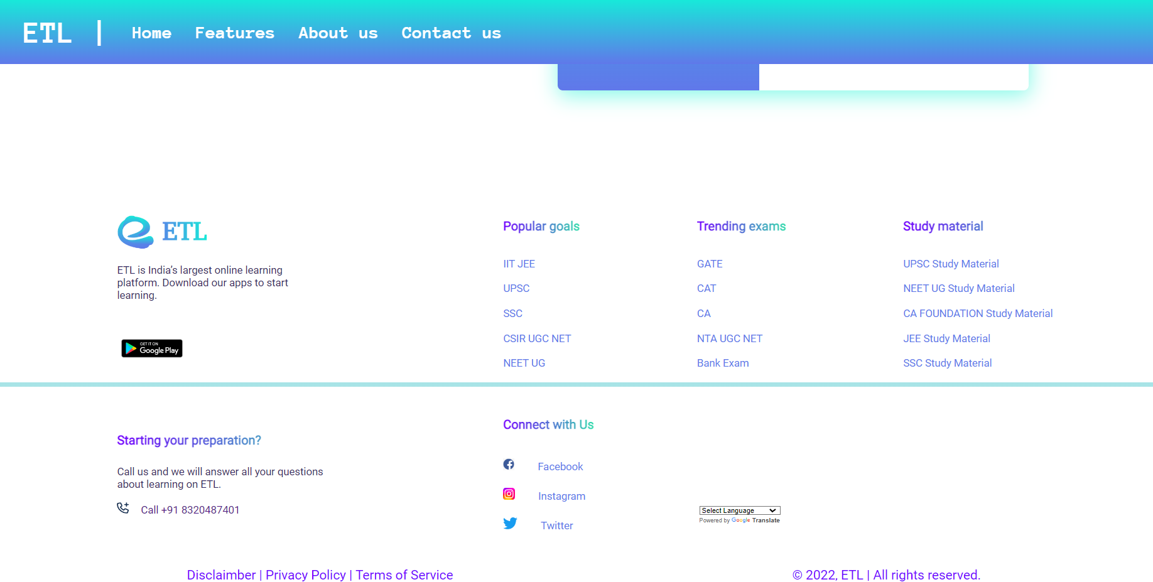
Roles and Responsibilities

21CE143 - JAY THANKI
21CE150 - AUM VEKARIYA
21CE148-PRINCE UPADHYAY

 |  | 21CE143- JAY THANKI
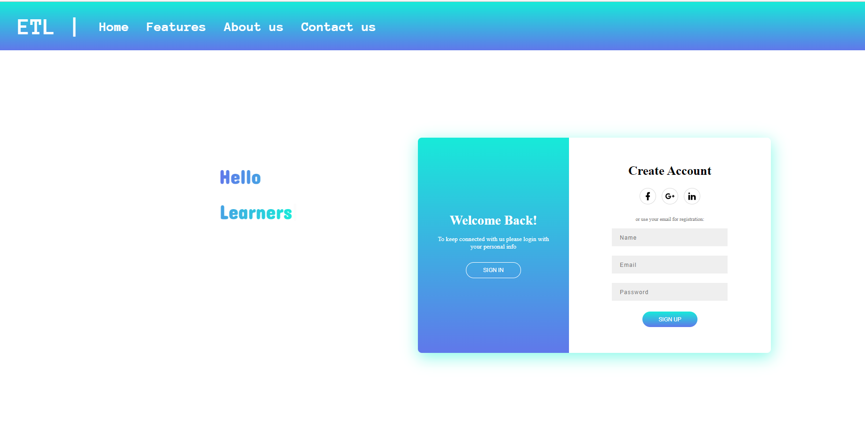

 |  | 21CE144- Param Thumar Register Page for Experts
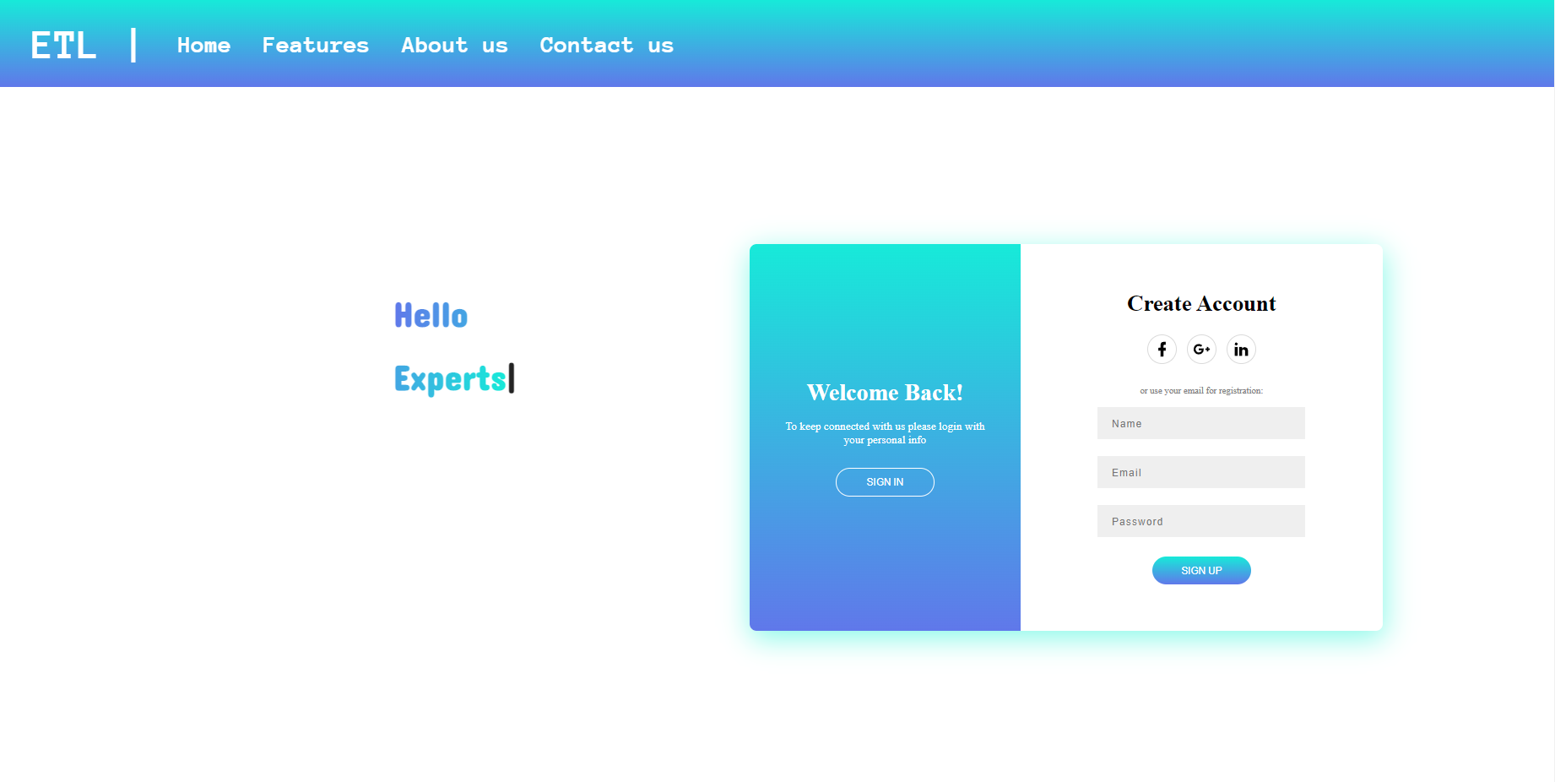

 |  | 21CE144 - Param Thumar Login Page

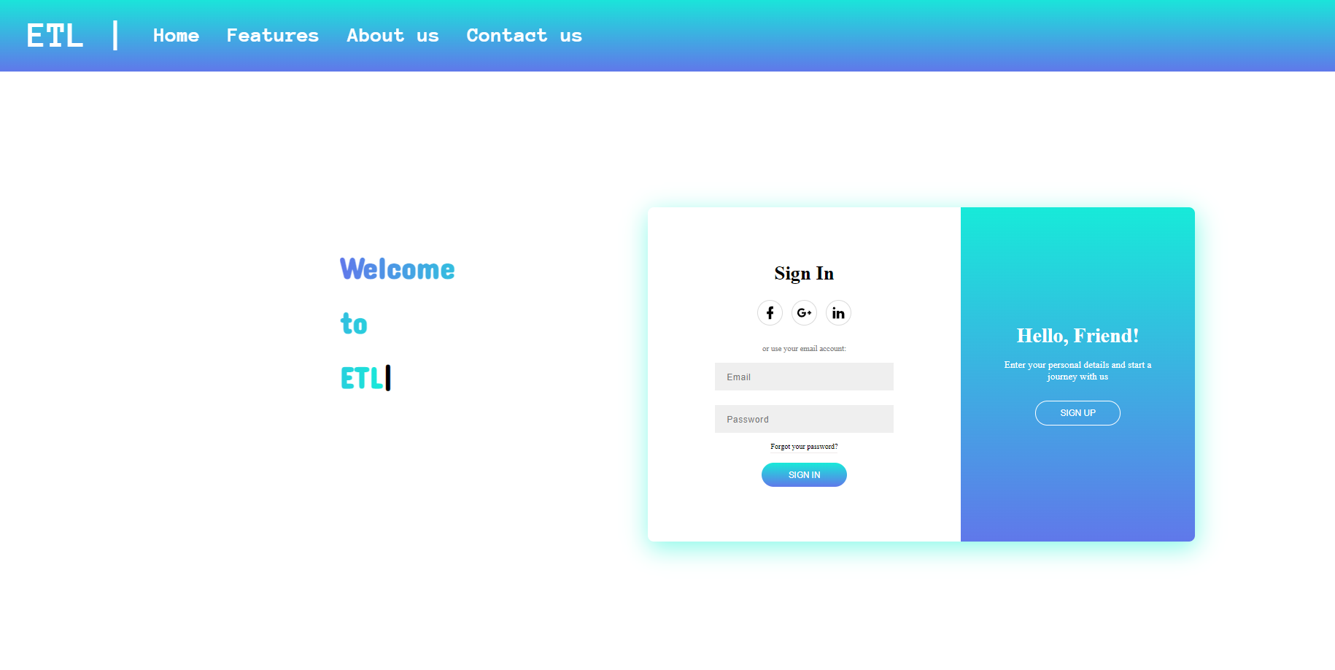

 | 21CE152- Dhruv Vekariya Home Page



 | 21CE152- Dhruv Vekariya Contact us Page

